Detailed Investigation Result
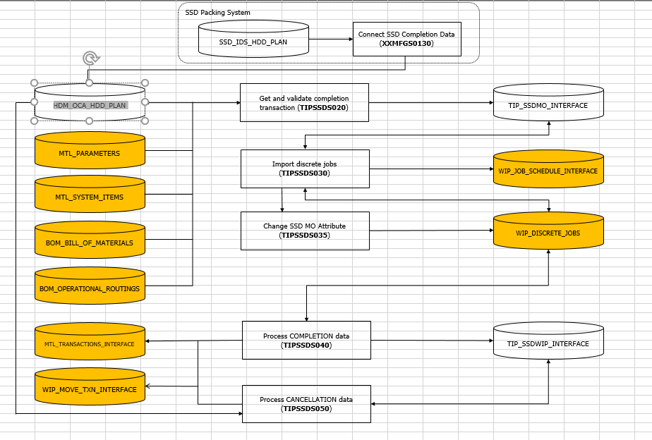
Detailed Investigation Result

ORGANIZATION_CODE | CARTON_NO | INVENTORY_ITEM_CODE | TYPE_CODE | ORG_PCB_REV | REPAIR_FLAG | QUANTITY | CANCEL_FLAG | OCA_CONNECT_FLAG | COMPLETE_DATE | CREATION_DATE | UPDATE_DATE | MO_FLAG | UNIT_FLAG | SHIP_CARTON_NO | CFLAG | CV_FLAG | WAREHOUSING_FLAG | PCB_CODE1 | PCB_CODE2 | PCB_CODE3 | PCB_ADJUST_FLAG
ESD | WZ002G0 | SDFHQ84CAB01THAT | 00HA | 4A | 0 | 4 |  |  | 12/21/20 | 12/21/20 | 12/21/20 | 1 | *
ESD | WZ002G0 | SDFHQ84CAB01THAT | 00HA | 47 | 0 | 5 |  |  | 12/21/20 | 12/21/20 | 12/21/20 | 1 | *
ESD | WZ002G0 | SDFHQ84CAB01THAT | 00HA | 45 | 0 | 1 |  |  | 12/21/20 | 12/21/20 | 12/21/20 | 1 | *
ESD | WZ002G0 | SDFHQ84CAB01TH0T | 00H0 | 47 | 0 | 3 |  |  | 12/21/20 | 12/21/20 | 12/21/20 | 1 | *
ESD | WZ002G0 | SDFHQ84CAB01THAT | 00HA | 41 | 0 | 2 |  |  | 12/21/20 | 12/21/20 | 12/21/20 | 1 | *
ESD | WZ002G0 | SDFHQ84CAB01THAT | 00HA | 43 | 0 | 3 |  |  | 12/21/20 | 12/21/20 | 12/21/20 | 1 | *
ESD | WZ002G0 | SDFHQ84CAB01TH0T | 00H0 | 45 | 0 | 1 |  |  | 12/21/20 | 12/21/20 | 12/21/20 | 1 | *

SOURCE_CODE | ORGANIZATION_CODE | ORGANIZATION_ID | ASSEMBLY_CODE | ASSEMBLY_ID | CLASS_CODE | JOB_NAME | QUANTITY | COMPLETION_DATE | ALTERNATE_ROUTING_DESIGNATOR | ALTERNATE_BOM_DESIGNATOR | ATTRIBUTE1 | ATTRIBUTE2 | ATTRIBUTE3 | ATTRIBUTE4 | ATTRIBUTE5 | ATTRIBUTE6 | ATTRIBUTE7 | ATTRIBUTE8 | ATTRIBUTE9 | ATTRIBUTE10 | CREATION_DATE | UPDATE_DATE | PROCESS_FLAG | ERROR_MESSAGE
TIPWIPS020 | ESD | 125 | SDFHQ84CAB01TH0T | 3635624 | Standard | ESD00285458 | 4 | 12/21/20 | MPL | MPL | ESDLINE |  |  |  |  |  |  |  |  |  | 12/21/20 | 12/21/20 | 9 | No operation sequence found for (ESD00285458).
TIPWIPS020 | ESD | 125 | SDFHQ84CAB01THAT | 3637969 | Standard | ESD00285459 | 15 | 12/21/20 | MPL | MPL | ESDLINE |  |  |  |  |  |  |  |  |  | 12/21/20 | 12/21/20 | 9 | No operation sequence found for (ESD00285459).

Actual Operation Evidence
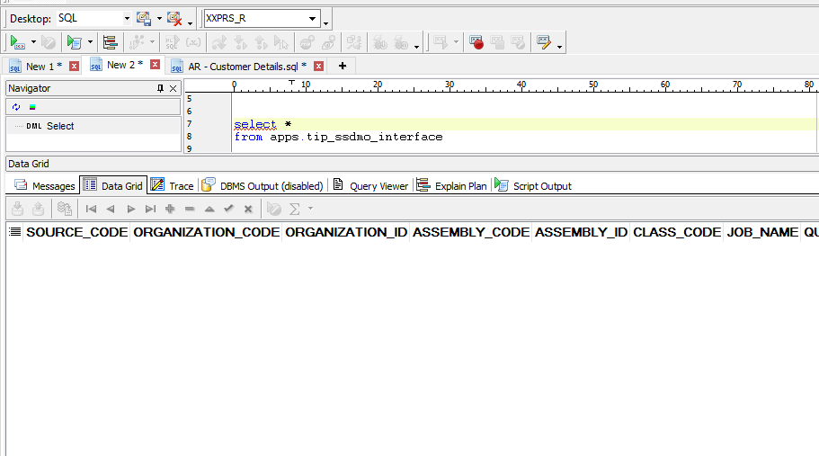
Actual Operation Evidence

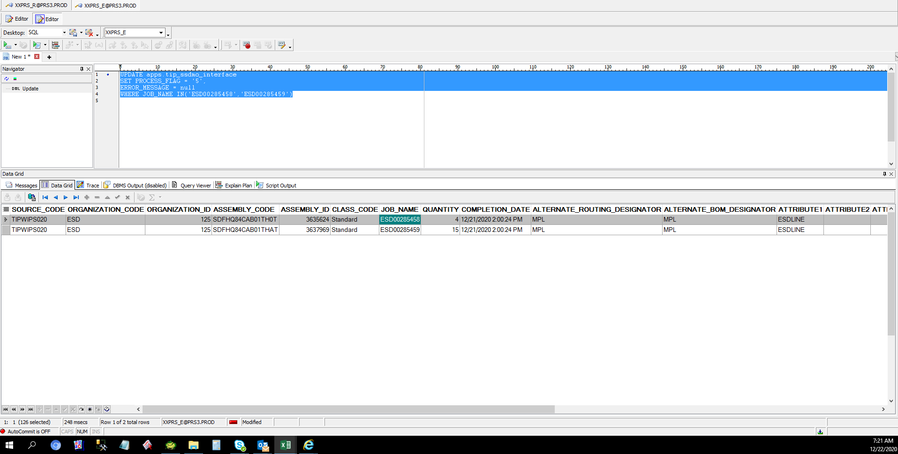

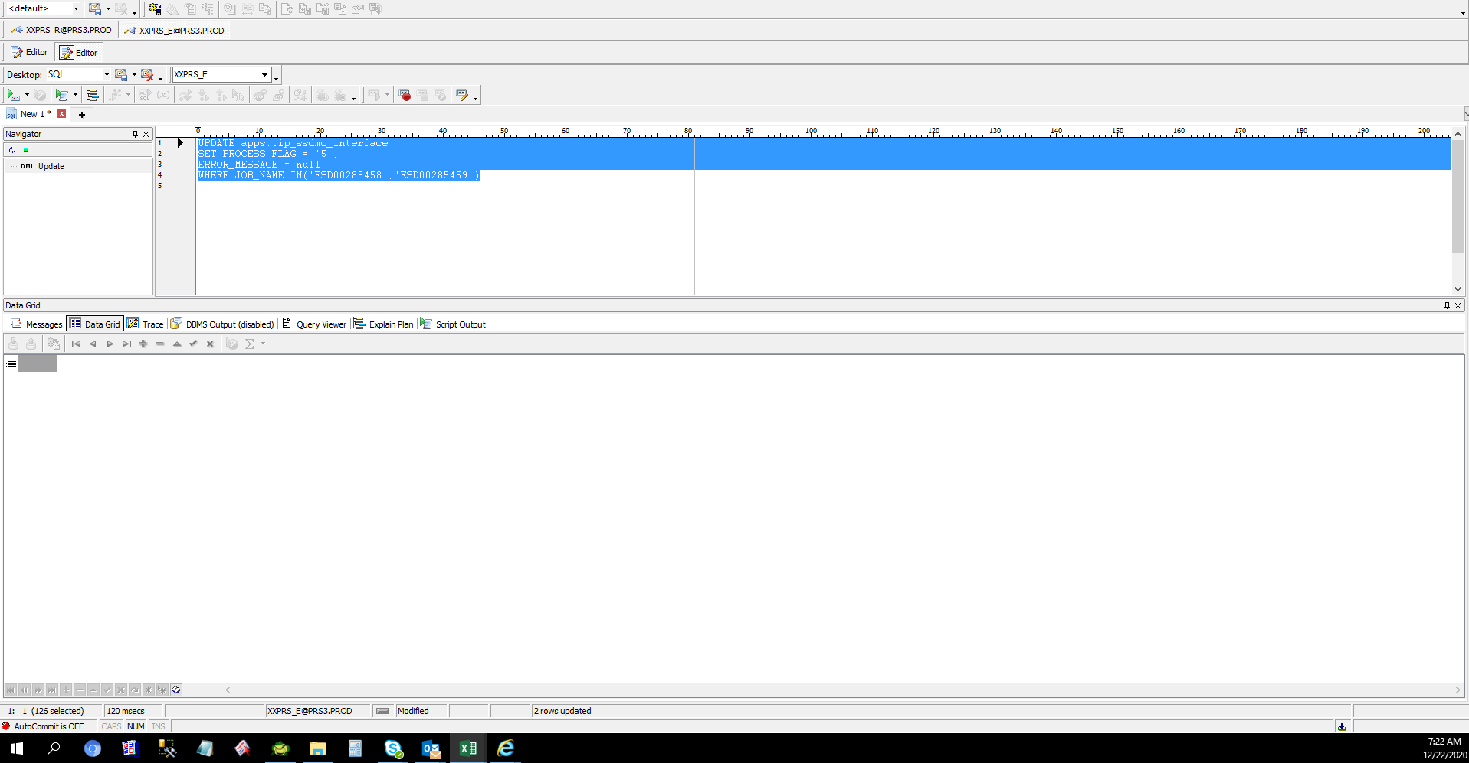

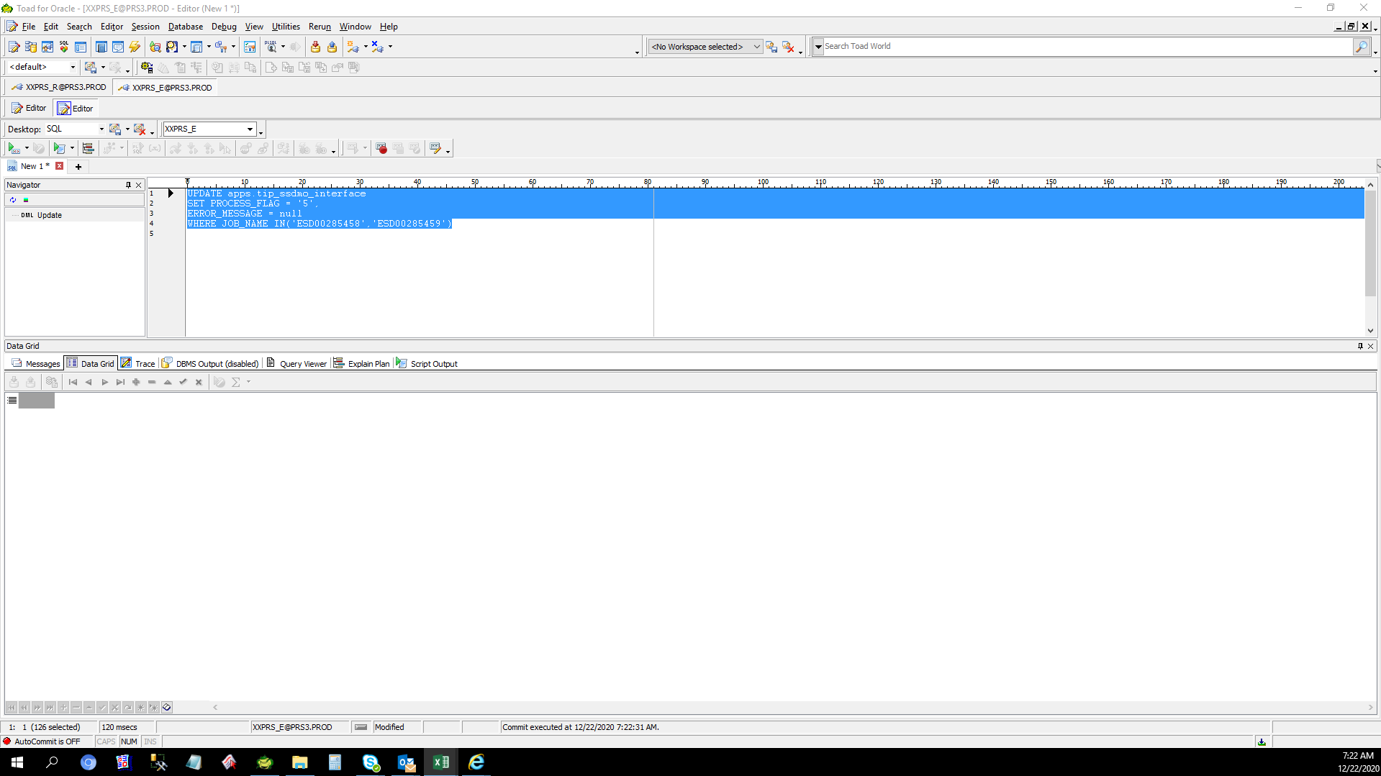

 | After Recovery

